Drainage
Item No. | Activity/ Task Description | Inspection Point: Quality Control Activity | Acceptance Criteria | Verifying Document | Frequency | Inspection Type | Inspection
 |  |  |  |  |  |  | Key | By | Checked (PM Initial) | Date
3 | Drainage | Final Sign Off | All below requirements are met and approved by CR | Referenced Item numbers as below | Once post construction | Hold Point | H | ER
3.1 | Materials
3.1.1 | Concrete Pipes | Documentation review prior to installation | To comply with NZS 4058:2007. Designed and installed to NZS 3725 2007. Shall be class 4 unless noted otherwise on drawings. | Manufacturers Certificate | Once pre construction | Review | R | ER
3.1.4 | Manholes, Catchpits and Precast Concrete Structures | Documentation review prior to installation | Precast structures to comply with NZS 3106. Joints to be interlocking, self centering type. Sealed with butyl mastic or similar approved. Manhole rings to be minimum 1050mm diameter, ubnless otherwise stated & comply with NZS 4058. In-situ RC to comply with Specification: Concrete (structural) & SPecification; Reinforcement. Gratings, manhole lids and frames to be Class D complying with AS 3996, cast iron. HD grates, lids and frames used in roadways, verges, sideways. Light duty elsewhere. | Manufacturers Certificate | Once pre construction | Review | R | ER
3.1.7 | Concrete | Documentation review prior to installation | Concrete work shall be in accordance with Section 410 of this Specification unless stated otherwise in the Specification and/or the Drawings. Precast headwalls/wingwalls design drawings to be submitted for approval pre construction. Design to comply with project requirements and relevant NZS standards. | Manufacturers Certificate | Once pre construction | Review | R | ER
3.1.8 | Granular pipe bedding and surround | Documentation review prior to installation | 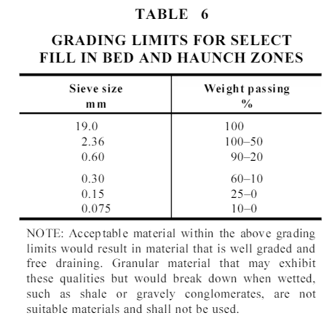 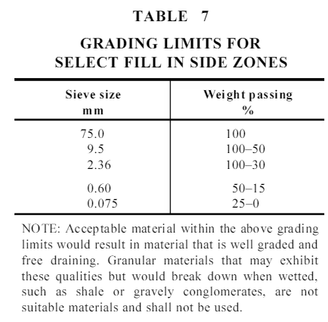 Granular material to comply with grading as per NZS 3725. Flexible pipe bedding to be AP5-20 or pea metal depending on pipe diameter, sand bedding allowed in sand enviroment. Rigid pipe bedding, surround and haunching material to be as per drawings or AP20. Material to be free from organic matter. Grading curve formed for each material. Material Grading as per NZS 3725:2007 | Manufacturers Certificate | Once pre construction | Review | R | ER
 | Placing Geotextile fabric under rip rap |  | 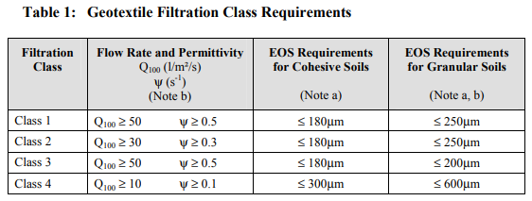 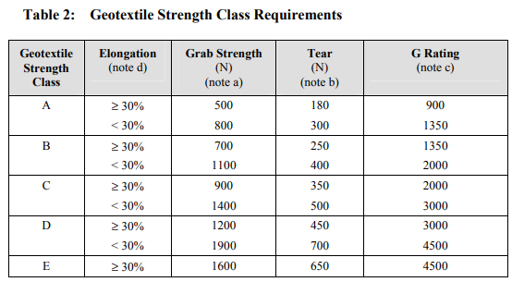 The bedding shall be enveloped in geotextile filter fabric (Terram 1000 or Bidim A29) that complies with TNZ F/7 geotextile, minimum strength class C, and minimum infiltration Class 1.
3.1.9 | Scruffy domes | Documentation review prior to installation | Manufactured & installed to approved supplier recommendations. To be bolted to riser with SS bolts. Shop drawings to be approved prior to construction. Structure to consist of galvanised steel to NZS 4671 and galvanised to NZS 4680. | Manufacturers Certificate | Once pre construction | Review | R | ER
3.2 | Design
3.2.1 | Confirm drainage design | Design review | ER to provide sufficient design. | NTC | Once pre construction | Hold Point | H | ER
3.3 | Construction - In accordance with NZTA F/3 & NZS 3725
3.3.1 | Material Delivery | Visusal Inspection of pipes / precast structures upon delivery to site. | Visual check to ensure materials are free from cracks, gouges or other deformations that could be detrimental to the life of the product. | Material Inspection Form | Upon Delivery | Witness Point | W | PM/PS
3.3.2 | Survey Set out | Onsite Setout | Survey have setout using pegs or similar, the location of the structure in regards to horizontal and vertical alignment, as per design. | N/A | As required | Action | A | SV
3.3.3 | Trench / Swale Inspection | Visual inspection of drainage trench to enusre correct grade as per design | Grade of trench to be constructed as per design drawings and complys with NZTA F/3. The compacted trench base must have a dry denmsity of 95% standard compaction before placing bedding. Where bottom of trench is existing ground, DCP test at 10m spacings prior to placing bedding. CBR > 2 | Site Inspection Form DCP Test Results | Prior to laying pipe | Witness Point | W | PM/PS/ER
 |  |  | NZTA F/3 - 3.6 - Unsuitable Foundation Material. Unsuitable material shall be removed to a depth of 600mm (or any greater) and replaced with approved material in layers of 150mm loose depth whch shall be compacted as specified in either the relevant standard or contract documents.
3.3.4 | Construction Inspection | Visual inspection of completed drainage line including all attached structres | Engineer to inspect constructed drainage line for workmanship and defects prior to backfilling | Site Inspection Form | Once pre backfilling. | Hold Point | H | ER
3.3.5 | Bedding, haunching & cover | Visual inspection & density testing | Bedding material to be compacted to a density index of 70% or relative density of 95% OMC. Minimum embedment zone as per table | Test Record & Site Inspection Form | Once per drainage line | Witness Point | W | PM / ER
3.3.6 | Survey As-Built | Check relevant to desgin | Constructed structures to be within design tolerence as per clause 402..4.3. As-built data recorded and submitted to client. | Survey Files/As-built drawings | As required | Hold Point Action | H A | PM/ER SV
3.3.7 | CCTV & Hydrostatic Testing | Pipes < 600mm diameter shall be hydrostatically tested and inspected by CCTV to identify any leaks or deficiencies in joints. | No leaks or joint deficiences within pipe effecting operation. Closed-Circuit Television (CCTV) Inspection in accordance with the New Zealand Pipe Inspection Manual (latest edition). | Testing certificate & CCTV Footage | Once post construction | Witness Point | W | PM/ER

COMMENTS
 |  |  |  |  | Customer Release Granted: | ☐ Yes | ☐ No | Date:
 |  |  |  |  | Certificate Number:

